Sheet1
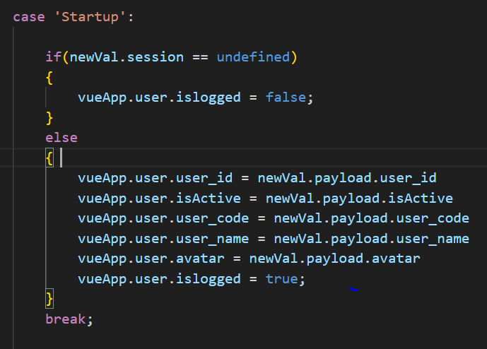
On Fresh Start
1. window.onload()
2. uibuilder.send(session);
uibuilder.onChange()
login()
1. uibuilder.onChange()
2. *Case: Startup
<Assign user logged user>
*Note: Peforms the login discussed on
last time.
index.js
index.html
index.js
login.vue

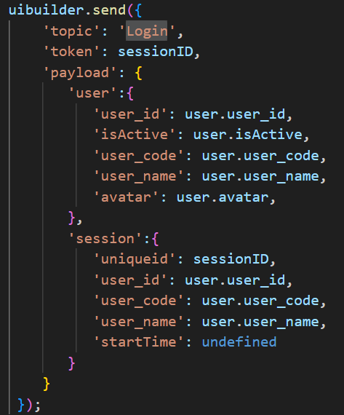

1. window.onload()
2. uibuilder.send(session);
uibuilder.onChange()
On Refresh
1. uibuilder.onChange()
2. *Case: Startup
Just retrieve the session details
index.html
index.js

